Blad1
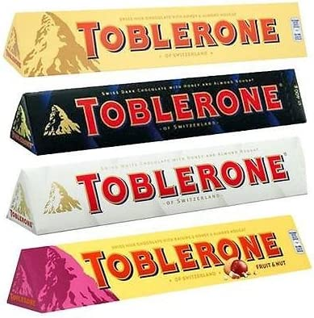
80
Offer 240110 Toblerone 100 g

Product description | pcs case | cases pallet | available cases | available pcs | available pallets | eancode | BBD | Status | USD /pc

Toblerone Milk 4x20x100 g | 80 | 78 | 1581 | 126480 | 21 | 7614500010013 | 2024-02-04 | T1 | 0.95
Toblerone fruit & Nuts 4x20x100 g | 80 | 78 | 540 | 43200 | 7 | 7622210477927 | 2024-10-31 | T1 | 0.95
TobleroneWhite 4x20x100g | 80 | 78 | 156 | 12480 | 2 | 7614500010310 | 2024-11-02 | T1 | 0.95
 |  |  |  | 182160 | 30

